About the tool
About the tool

Now you can remove the examples we added and start to input your own data based on the gap analysis and outputs.
Good luck in collecting good honey!!
The Cerise+SPTF team.
This tool is designed for organizations that have completed a RAI (Responsible Agricultural Investment) and/or Agri CP (Agricultural Client Protection) assessment and are ready to develop their improvement action plan. Since not all recommendations can be implemented at the same time, the tool helps prioritize actions based on their expected impact, implementation effort, strategic importance, and contribution to responsible agricultural practices. The tool is organized into several worksheets. Click on each title to access the corresponding tab. | Version: August 2026 - Draft version, under development
I Impact effort matrix
Defining an action plan requires prioritizing the gaps. And the first thing is to identify quick wins. This matrix provides an interactive solution to be used during brainstorming sessions when the team meets to develop the action plan.
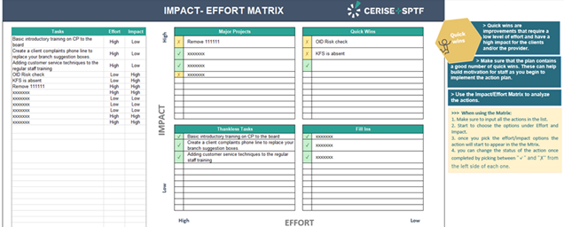



II Priorities Matrix
This matrix helps identify priorities for action. While some actions may not qualify as quick wins, they can still represent important priorities because they are linked to several factors that should be considered when prioritizing gaps and developing an action plan to improve practices and performance:

III Challenges
The action plan might face challenges. This is to make sure that the champion or the team is aware of the implementation challenges and knows how to work with those challenges. Also it is a very good way to have a documented reason when the implementation gets slower or stops.

Impact Effort Matrix
IMPACT- EFFORT MATRIX |  |  |  |  |  |  |  | About the tool'!A1 | Back
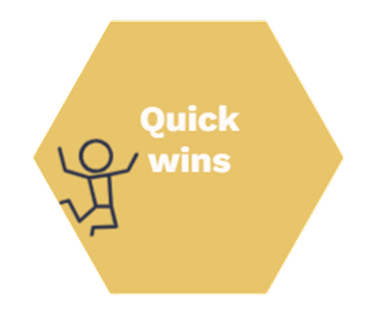
> Quick wins are improvements that require a low level of effort and have a high impact for the clients and/or the provider.

IMPACT
High
Low
> Make sure that the plan contains a good number of quick wins. These can help build motivation for staff as you begin to implement the action plan.
 | Tasks | Effort | Impact | Major Projects (High Effort + High Impact) |  | Quick Wins (Low Effort + High Impact)
 | Develop Sustainability Dashboard | High | High | ✓ | Develop Sustainability Dashboard | ✓ | Establish Stakeholder Grievance Mechanism
 | Establish Stakeholder Grievance Mechanism | Low | High | ✓ | Develop Environmental Management Plan | ✓ | Train Field Officers on RAI Principles / CP Standards
 | Conduct Climate Risk Assessment | Medium | High | ✓ | Implement Product Traceability System | ✓ | Create Farmer Feedback System
 | Develop Environmental Management Plan | High | High |  |  | ✗ | Create Sustainability KPI Framework
 | Train Field Officers on RAI Principles / CP Standards | Low | High
 | Create Farmer Feedback System | Low | High
> Use the Impact/Effort Matrix to analyze the actions.
 | Revise Supplier Contract Templates | Medium | Medium
 | Introduce Gender-Disaggregated Reporting | Low | Medium
 | Implement Product Traceability System | High | High
>>> When using the Matrix:
1. Make sure to input all the actions in the list.
2. Start to choose the options under Effort and Impact.
3. Once you pick the effort/impact options the action will start to appear in the the Matrix.
4. You can change the status of the action once completed by picking between "✓" and "✗" from the left side of each one.
 | Develop Community Engagement Policy | Medium | High
 | Establish Biodiversity Monitoring System | High | Medium
 | Create Sustainability KPI Framework | Low | High
 | Create a client complaints phone line to replace your branch suggestion boxes. | High | Low | Thankless Tasks (High Effort + Low Impact) |  | Fill Ins (Low Effort + Low Impact)
 |  |  |  | ✗ | Create a client complaints phone line to replace your branch suggestion boxes.

EFFORT
Low
High

Priorities Matrix
 |  |  |  |  |  |  |  |  | About the tool
From the Impact/Effort analysis |  |  | Factors to be considered when prioritizing gaps and developing an action plan to improve practices |  |  |  |  |  | Back
Tips
Minimum RAI / CP Requirements: Are there any major weaknesses related to critical RAI principles or CP Standards? Certain standards and indicators may be considered foundational for responsible agricultural practices. Gaps related to stakeholder, rights, food safety, grievance mechanisms, environmental compliance, land and water rights, labor conditions, or environmental and social risk management should generally be prioritized for the RAI Tool, as they may expose the organization to significant operational, legal, reputational, or sustainability risks. All the Priority Must-Have and Must-Have indicators should be prioritized for the Agri CP Tool in order to protect smallholder farmers from harm.
Strategy:
How will an action plan fit the organization's strategic priorities? You may want to address first the gaps that are key to the FSP’s ability to execute its strategic plan successfully.
Risk Management:
What are the gaps that pose the greatest risks for the organization?
Organizations should prioritize gaps that expose them to significant environmental, social, governance, operational, food safety, climate, labor, stakeholder, legal, or reputational risks.
Examples may include:
> Absence of environmental and social risk management systems
> Inappropriate loan sizes, repayment schedules > Weak grievance management mechanisms
> Food safety and traceability deficiencies
> Occupational health and safety risks
> Weak transparency in contracts, prices > Climate-related vulnerabilities affecting operations or supply chains
> Supplier non-compliance with sustainability requirements
> Delayed or unfair payments to smallholder farmers
Context:
What are the potential effects of the local operating context?
The organization needs to consider its own local context in order to decide which areas are most important to address first. Issues like local competition, economic situation, and current or pending regulations can all influence which gaps to address first.
Related Gaps:
Are there related gaps?
It is good to look at gaps that are related to the same areas in order to optimize your efforts.
Time and resources:
Does the organization have the time and resources required to address the identified gaps?
Improving practices requires staff time and often financial resources. The organization needs to consider the budget availableand the HR available before prioritizing.
Tasks | Effort | Impact | Minimum Agri CP/RAI requirements | Strategy | Risk management | Context | Related Gaps | Time and resources
Develop Sustainability Dashboard | High | High | High | High | Low | Low | No | No
Establish Stakeholder Grievance Mechanism | Low | High | Low | Low | Medium | High | Yes | Yes
Conduct Climate Risk Assessment | Medium | High | Medium | High | Low | Low | Yes | Yes
Develop Environmental Management Plan | High | High | Medium | High | High | High | Yes | No
Train Field Officers on RAI Principles / CP Standards | Low | High
Create Farmer Feedback System | Low | High
Revise Supplier Contract Templates | Medium | Medium
Introduce Gender-Disaggregated Reporting | Low | Medium
Implement Product Traceability System | High | High
Develop Community Engagement Policy | Medium | High
Establish Biodiversity Monitoring System | High | Medium
Create Sustainability KPI Framework | Low | High
Create a client complaints phone line to replace your branch suggestion boxes. | High | Low
#N/A
#N/A
#N/A
#N/A
#N/A
#N/A
#N/A
#N/A
#N/A
#N/A
#N/A
#N/A
#N/A
#N/A
#N/A
#N/A
#N/A
#N/A
#N/A
#N/A
#N/A
#N/A

Challenges
Challenges Matrix |  |  |  |  | About the tool'!A1 | Back

>>> Users can add as many columns as needed. It is highly recommended to make all steps/reasons/ideas clear and well documented. The Status column should indicate the implementation progress of the mitigation action (the "To Do"), not the status of the challenge itself.
Status Meaning
Not Started = No action has been initiated yet
Planned = Action has been approved and scheduled
In Progress = Implementation has started
Partially Completed = Some activities completed, others still pending
Completed = Action fully implemented
On Hold = Temporarily suspended
Delayed = Implementation behind schedule
Cancelled = Action will not be implemented
This section is the Challenges Matrix, used to document implementation barriers that may affect the execution of RAF/RAI recommendations.
Challenge | Why? | To do | Status | Reflected on the action plan?
Basic introductory training on RAI principles / Agri CP Standards for the Board | Two Board members are unavailable for in-person training until the next Board meeting cycle | Organize an online RAI / Agri CP awareness session and provide self-learning materials to Board members | Planned | ✓
Establish a stakeholder grievance mechanism accessible to farmers, suppliers, workers, and communities | Limited budget and insufficient human resources to operate a dedicated grievance hotline | Maintain existing complaint channels (suggestion boxes, local focal points, community meetings) while progressively developing a formal grievance mechanism | Delayed | ✗

 |  |  |  |  |  |  | Status | Meaning
 |  |  |  |  |  |  | Not Started | No action has been initiated yet
 |  |  |  |  |  |  | Planned | Action has been approved and scheduled
 |  |  |  |  |  |  | In Progress | Implementation has started
 |  |  |  |  |  |  | Partially Completed | Some activities completed, others still pending
 |  |  |  |  |  |  | Completed | Action fully implemented
 |  |  |  |  |  |  | On Hold | Temporarily suspended
 |  |  |  |  |  |  | Delayed | Implementation behind schedule
 |  |  |  |  |  |  | Cancelled | Action will not be implemented

